public - cars
Share of public transport VS cars in different OMNIA regions to use for case where data is not available.
OMNIA REGION | City | Population | number | y-values extracted from chart |  | public transport rate/cars rate | OMNIA REGION | OMNIA acronym | weighted average public transport rate | weighted average cars rate
Northern Africa | Casablanca, Morocco | 3893000 | 1 | 59.86604082 | 19.18219167 | 0.47795413316 | Northen Africa | AFN | 0.47795413316 | 0.52204586684
 |  |  | 1 | 79.04823249 | 20.95176751 | 0.52204586684 | Western Africa | AFW | 0.53196912008 | 0.46803087992
 |  |  | 1 | 100 |  |  | Southern Africa | AFZ | 0.77580479097 | 0.22419520903
Western Africa | Dakar, Senegal | 3630000 | 2 | 70.21540649 | 19.18219167 | 0.64403066853 | India | IND | 0.44813454123 | 0.55186545877
 |  |  | 2 | 89.39759816 | 10.60240184 | 0.35596933147 | South Asia | ASO | 0.48210840543 | 0.51789159457
 |  |  | 2 | 100 |  |  | Indonesia | IDN | 0.66110632401 | 0.33889367599
Western Africa | Yaoundé, Cameroon | 2765600 | 6 | 37.10353121 | 14.49056855 | 0.2303876327 | Non-EU Eastern Europe | ENE | 0.81781668185 | 0.18218331815
 |  |  | 6 | 51.59409976 | 48.40590024 | 0.7696123673 | Latin America | LAM | 0.52935818729 | 0.47064181271
 |  |  | 6 | 100 |  |  | Chile | CHI | 0.47152044457 | 0.52847955543
Western Africa | Douala, Cameroon | 3793000 | 4 | 34.31229828 | 42.34335609 | 0.64461619118 | Brazil | BRA | 0.50524862037 | 0.49475137963
 |  |  | 4 | 76.65565437 | 23.34434563 | 0.35538380882 | Mexico | MEX | 0.64182856268 | 0.35817143732
 |  |  | 4 | 100 |  |  | Western Europe Union | ENW | 0.45387004122 | 0.54612995878
Southern Africa | Maputo, Mozambique | 1133200 | 5 | 45.89289672 | 41.97654995 | 0.77580479097 | Australia and New Zealand | ANZ | 0.050892129082 | 0.94910787092
 |  |  | 5 | 87.86944667 | 12.13055333 | 0.22419520903 | Japan | JPN | 0.79931293823 | 0.20068706177
 |  |  | 5 | 100 |  |  | United States | USA | 0.1705904886 | 0.8294095114
Eastern Africa | Dire Dawa, Ethiopia | 445000 | 3 | 45.96934217 | 41.95948932 | 0.77658668255
 |  |  | 3 | 87.92883149 | 12.07116851 | 0.22341331745
 |  |  | 3 | 100
India | Ahmedabad, India | 877200 | 7 | 45.73539572 | 18.10274597 | 0.33360136336
 |  |  | 7 | 63.83814169 | 36.16185831 | 0.66639863664
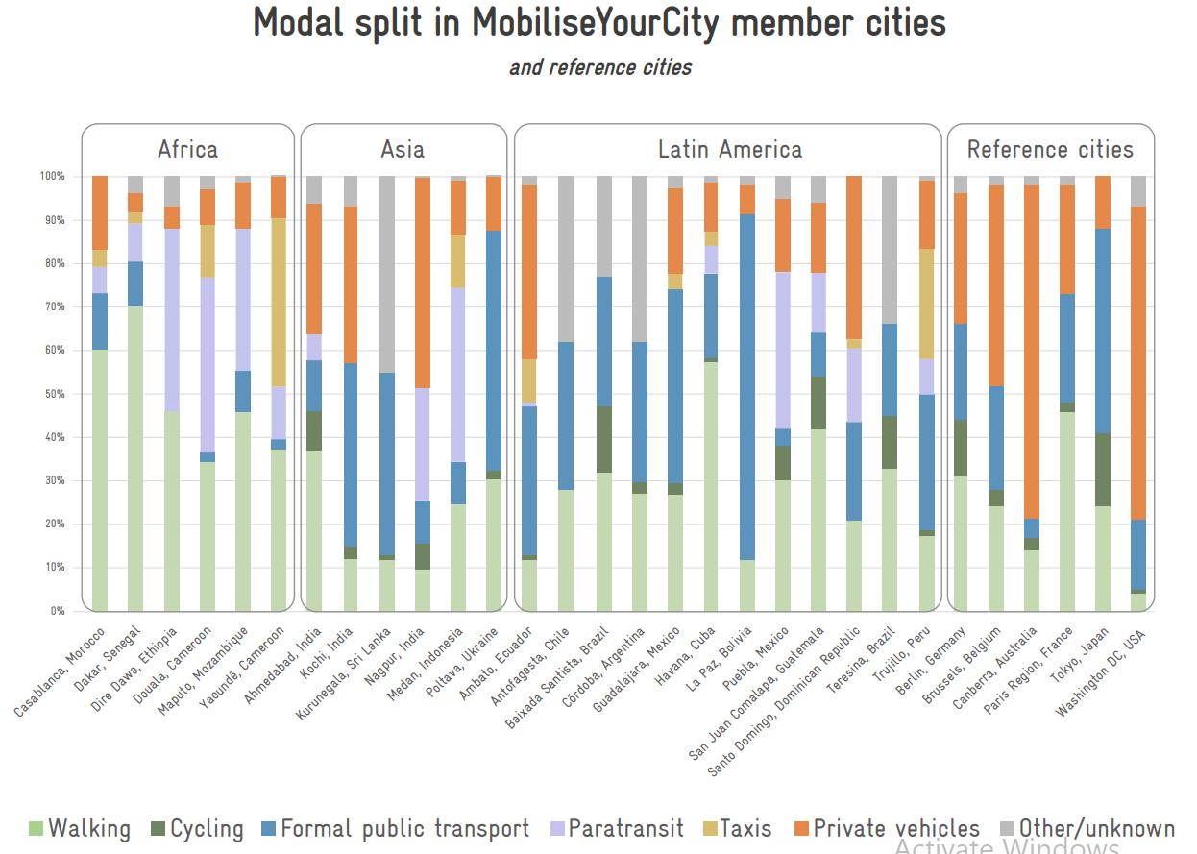
 |  |  | 7 | 100
India | Kochi, India | 3605000 | 8 | 14.83678074 | 42.36587632 | 0.49746682533
 |  |  | 8 | 57.20265706 | 42.79734294 | 0.50253317467
 |  |  | 8 | 100
India | Nagpur, India | 3200000 | 10 | 15.44112618 | 35.84916135 | 0.4239550473
 |  |  | 10 | 51.29028753 | 48.70971247 | 0.5760449527
 |  |  | 10 | 100
South Asia | Kurunegala, Sri Lanka | 1743000 | 9 | 12.59711516 | 42.13766544 | 0.48210840543
 |  |  | 9 | 54.7347806 | 45.2652194 | 0.51789159457
 |  |  | 9 | 100
Indonesia | Medan, Indonesia | 4756863 | 11 | 24.53402255 | 49.89103494 | 0.66110632401
 |  |  | 11 | 74.42505749 | 25.57494251 | 0.33889367599
 |  |  | 11 | 100
Non-EU Eastern Europe | Poltava, Ukraine | 272572 | 12 | 32.31266103 | 55.35583496 | 0.81781668185
 |  |  | 12 | 87.66849599 | 12.33150401 | 0.18218331815
 |  |  | 12 | 100
Latin America | Ambato, Ecuador | 188338 | 13 | 12.63943936 | 35.45985661 | 0.40590234713
 |  |  | 13 | 48.09929597 | 51.90070403 | 0.59409765287
 |  |  | 13 | 100
Latin America | Córdoba, Argentina | 3978984 | 16 | 29.74305931 | 32.03245122 | 0.4559329072
 |  |  | 16 | 61.77551053 | 38.22448947 | 0.5440670928
 |  |  | 16 | 100
Latin America | Havana, Cuba | 2138000 | 18 | 58.05001766 | 26.07114535 | 0.62148167641
 |  |  | 18 | 84.12116301 | 15.87883699 | 0.37851832359
 |  |  | 18 | 100
Latin America | La Paz, Bolivia | 755732 | 19 | 11.64691465 | 79.85537915 | 0.90382105881
 |  |  | 19 | 91.5022938 | 8.4977062 | 0.096178941192
 |  |  | 19 | 100
Latin America | San Juan Comalapa, Guatemala | 48597 | 21 | 53.99027074 | 24.07335863 | 0.59755882495
 |  |  | 21 | 78.06362937 | 16.21281509 | 0.40244117505
 |  |  | 21 | 94.27644446
Latin America | Santo Domingo, Dominican Republic | 4274651 | 22 | 20.97077065 | 39.49275457 | 0.49972339215
 |  |  | 22 | 60.46352522 | 39.53647478 | 0.50027660785
 |  |  | 22 | 100
Latin America | Trujillo, Peru | 904000 | 24 | 18.67057854 | 39.34757964 | 0.48380498636
 |  |  | 24 | 58.01815818 | 41.98184182 | 0.51619501364
 |  |  | 24 | 100
Chile | Antofagasta, Chile | 444276 | 14 | 27.94550902 | 33.97516562 | 0.47152044457
 |  |  | 14 | 61.92067464 | 38.07932536 | 0.52847955543
 |  |  | 14 | 100
Brazil | Baixada Santista, Brazil | 1672991 | 15 | 47.10015912 | 30.09905444 | 0.56898194662
 |  |  | 15 | 77.19921356 | 22.80078644 | 0.43101805338
 |  |  | 15 | 100
Brazil | Teresina, Brazil | 866300 | 23 | 44.83410991 | 21.08260351 | 0.3821673769
 |  |  | 23 | 65.91671342 | 34.08328658 | 0.6178326231
 |  |  | 23 | 100
Mexico | Guadalajara, Mexico | 5268642 | 17 | 29.41973531 | 44.68198735 | 0.63306630467
 |  |  | 17 | 74.10172266 | 25.89827734 | 0.36693369533
 |  |  | 17 | 100
Mexico | Puebla, Mexico | 6710000 | 20 | 37.97155069 | 40.2383899 | 0.64870862238
 |  |  | 20 | 78.20994059 | 21.79005941 | 0.35129137762
 |  |  | 20 | 100
Western Europe Union | Berlin, Germany | 3662381 | 25 | 44.23910371 | 22.06578897 | 0.39572156185
 |  |  | 25 | 66.30489268 | 33.69510732 | 0.60427843815
 |  |  | 25 | 100
Western Europe Union | Brussels, Belgium | 1219970 | 26 | 28.03674793 | 23.84743115 | 0.33138345564
 |  |  | 26 | 51.88417908 | 48.11582092 | 0.66861654436
 |  |  | 26 | 100
Western Europe Union | Canberra, Australia | 456844 | 27 | 16.81250173 | 4.2335889 | 0.050892129082
 |  |  | 27 | 21.04609063 | 78.95390937 | 0.94910787092
 |  |  | 27 | 100
Australia and New Zealand | Paris Region, France | 12271794 | 28 | 47.96459658 | 25.15394062 | 0.48340051132
 |  |  | 28 | 73.1185372 | 26.8814628 | 0.51659948868
 |  |  | 28 | 100
Japan | Tokyo, Japan | 37036200 | 29 | 41.0003121 | 47.15921389 | 0.79931293823
 |  |  | 29 | 88.15952599 | 11.84047401 | 0.20068706177
 |  |  | 29 | 100
United States | Washington DC, USA | 689545 | 30 | 4.767289398 | 16.245794632 | 0.1705904886
 |  |  | 30 | 21.01308403 | 78.98691597 | 0.8294095114
 |  |  | 30 | 100

public - cv - cars
OMNIA REGION | City | Population | number in order | y-values extracted from chart |  | public transport rate/cars rate | OMNIA REGION | OMNIA acronym | weighted average public transport rate | weighted average paratransit/ commercial vehicles rate | weighted average cars and other rate |  | Share LCVs/paratransit between cars and LCVs | Share cars between cars and LCVs/paratransit | Share cars & LCVs vs all
Northern Africa | Casablanca, Morocco | 3893000 | 1 | 60.18957346 | 12.954186414 | 0.3253968254 | Northen Africa | AFN | 0.3253968254 | 0.14285714286 | 0.53174603175 | 1 | 0.21176470588 | 0.78823529412 | 0.6746031746
 |  |  | 1 | 73.143759874 | 5.6872037915 | 0.14285714286 | Western Africa | AFW | 0.13852599138 | 0.3934641687 | 0.46800983992 | 1 | 0.45673365042 | 0.54326634958 | 0.86147400862
 |  |  | 1 | 78.830963665 | 21.169036335 | 0.53174603175 | Southern Africa | AFZ | 0.16959064327 | 0.61403508772 | 0.21637426901 | 1 | 0.73943661972 | 0.26056338028 | 0.83040935673
 |  |  | 1 | 100 |  |  | Eastern Africa | AFE | 0.020408163265 | 0.76093294461 | 0.21865889213 | 1 | 0.77678571429 | 0.22321428571 | 0.97959183673
Western Africa | Dakar, Senegal | 3630000 | 2 | 70.142180095 | 10.110584518 | 0.33862433862 | India | IND | 0.30503955481 | 0.14794468292 | 0.54701576226 | 1 | 0.21288216322 | 0.78711783678 | 0.69496044519
 |  |  | 2 | 80.252764613 | 9.0047393365 | 0.30158730159 | South Asia | ASO | 0.48275862069 | 0.016333938294 | 0.50090744102 | 1 | 0.031578947368 | 0.96842105263 | 0.51724137931
 |  |  | 2 | 89.257503949 | 10.742496051 | 0.35978835979 | Indonesia | IDN | 0.13333333333 | 0.53125 | 0.33541666667 | 1 | 0.61298076923 | 0.38701923077 | 0.86666666667
 |  |  | 2 | 100 |  |  | Non-EU Eastern Europe | ENE | 0.81395348837 | 0.020930232558 | 0.16511627907 | 1 | 0.1125 | 0.8875 | 0.18604651163
Western Africa | Yaoundé, Cameroon | 2765600 | 6 | 37.282780411 | 2.0537124803 | 0.03274559194 | Latin America | LAM | 0.42219130096 | 0.13863151958 | 0.43917717946 | 1 | 0.23992632822 | 0.76007367178 | 0.57780869904
 |  |  | 6 | 39.336492891 | 12.480252765 | 0.19899244332 | Chile | CHI | 0.47252747253 | 0.12747252747 | 0.4 | 1 | 0.24166666667 | 0.75833333333 | 0.52747252747
 |  |  | 6 | 51.816745656 | 48.183254344 | 0.76826196474 | Brazil | BRA | 0.51109596814 | 0.098550015056 | 0.39035401681 | 1 | 0.20157333267 | 0.79842666733 | 0.48890403186
 |  |  | 6 | 100 |  |  | Mexico | MEX | 0.30756615762 | 0.34766823804 | 0.34476560434 | 1 | 0.50209596464 | 0.49790403536 | 0.69243384238
Western Africa | Douala, Cameroon | 3793000 | 4 | 34.597156398 | 1.579778831 | 0.024154589372 | Western Europe Union | ENW | 0.45095705094 | 0.073857258907 | 0.47518569016 | 1 | 0.13452000255 | 0.86547999745 | 0.54904294906
 |  |  | 4 | 36.176935229 | 40.758293839 | 0.6231884058 | Australia and New Zealand | ANZ | 0.51109596814 | 0.098550015056 | 0.39035401681 | 1 | 0.20157333267 | 0.79842666733 | 0.48890403186
 |  |  | 4 | 76.935229068 | 23.064770932 | 0.35265700483 | Japan | JPN | 0.79466666667 | 0.032 | 0.17333333333 | 1 | 0.15584415584 | 0.84415584416 | 0.20533333333
 |  |  | 4 | 100 |  |  | United States | USA | 0.17247097844 | 0.067993366501 | 0.75953565506 | 1 | 0.082164328657 | 0.91783567134 | 0.82752902156
Southern Africa | Maputo, Mozambique | 1133200 | 5 | 45.971563981 | 9.1627172196 | 0.16959064327
 |  |  | 5 | 55.134281201 | 33.17535545 | 0.61403508772
 |  |  | 5 | 88.309636651 | 11.690363349 | 0.21637426901
Modal split OMNIA regions
 |  |  | 5 | 100
Eastern Africa | Dire Dawa, Ethiopia | 445000 | 3 | 45.813586098 | 1.1058451817 | 0.020408163265
 |  |  | 3 | 46.91943128 | 41.232227488 | 0.76093294461
 |  |  | 3 | 88.151658768 | 11.848341232 | 0.21865889213
 |  |  | 3 | 100
India | Ahmedabad, India | 877200 | 7 | 45.813586098 | 11.532385466 | 0.21282798834
 |  |  | 7 | 57.345971564 | 6.3191153239 | 0.1166180758
 |  |  | 7 | 63.665086888 | 36.334913112 | 0.67055393586
 |  |  | 7 | 100
India | Kochi, India | 3605000 | 8 | 14.533965245 | 42.33807267 | 0.49537892791
 |  |  | 8 | 56.872037915 | 1.2638230648 | 0.014787430684
 |  |  | 8 | 58.135860979 | 41.864139021 | 0.4898336414
 |  |  | 8 | 100
India | Nagpur, India | 3200000 | 10 | 15.481832543 | 9.794628752 | 0.11588785047
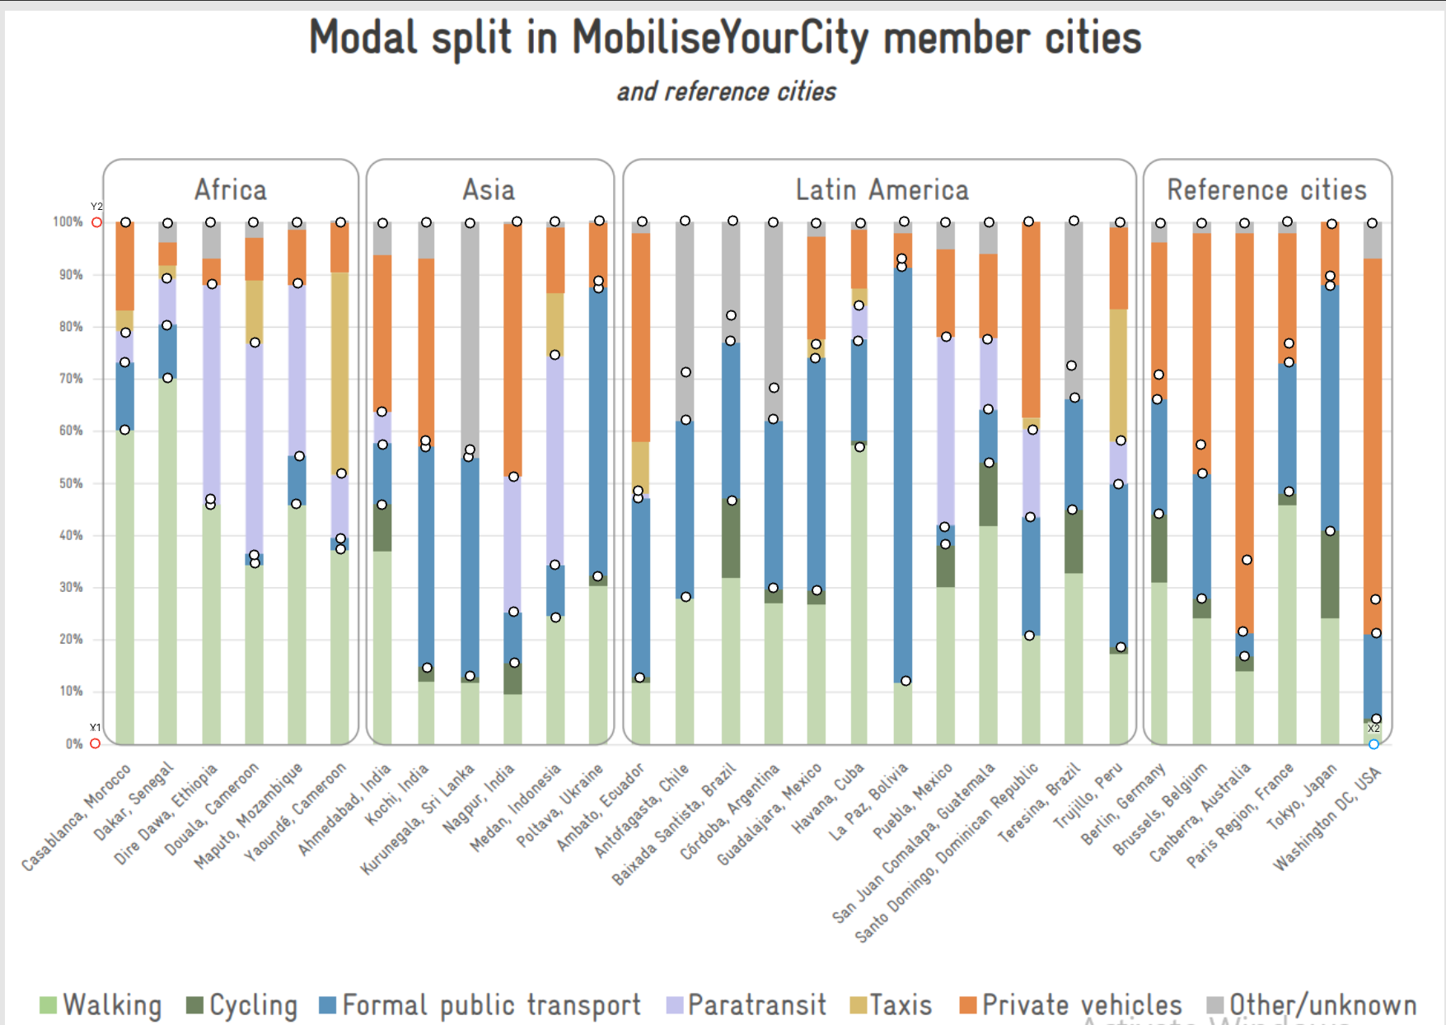
 |  |  | 10 | 25.276461295 | 25.908372828 | 0.30654205607
 |  |  | 10 | 51.184834123 | 48.815165877 | 0.57757009346
 |  |  | 10 | 100
South Asia | Kurunegala, Sri Lanka | 1743000 | 9 | 12.954186414 | 42.022116904 | 0.48275862069
 |  |  | 9 | 54.976303318 | 1.4218009479 | 0.016333938294
 |  |  | 9 | 56.398104265 | 43.601895735 | 0.50090744102
 |  |  | 9 | 100
Indonesia | Medan, Indonesia | 4756863 | 11 | 24.170616114 | 10.110584518 | 0.13333333333
 |  |  | 11 | 34.281200632 | 40.28436019 | 0.53125
 |  |  | 11 | 74.565560821 | 25.434439179 | 0.33541666667
 |  |  | 11 | 100
Non-EU Eastern Europe | Poltava, Ukraine | 272572 | 12 | 32.069510269 | 55.292259084 | 0.81395348837
 |  |  | 12 | 87.361769352 | 1.4218009479 | 0.020930232558
 |  |  | 12 | 88.7835703 | 11.2164297 | 0.16511627907
 |  |  | 12 | 100
Latin America | Ambato, Ecuador | 188338 | 13 | 12.638230648 | 34.439178515 | 0.39421338156
 |  |  | 13 | 47.077409163 | 1.4218009479 | 0.016274864376
 |  |  | 13 | 48.499210111 | 51.500789889 | 0.58951175407
 |  |  | 13 | 100
Latin America | Córdoba, Argentina | 3978984 | 16 | 29.857819905 | 32.385466035 | 0.46171171171
 |  |  | 16 | 62.24328594 | 6.0031595577 | 0.085585585586
 |  |  | 16 | 68.246445498 | 31.753554502 | 0.4527027027
 |  |  | 16 | 100
Latin America | Havana, Cuba | 2138000 | 18 | 56.872037915 | 20.379146919 | 0.47252747253
 |  |  | 18 | 77.251184834 | 6.7930489731 | 0.15750915751
 |  |  | 18 | 84.044233807 | 15.955766193 | 0.36996336996
 |  |  | 18 | 100
Latin America | La Paz, Bolivia | 755732 | 19 | 12.006319115 | 79.462875197 | 0.90305206463
 |  |  | 19 | 91.469194313 | 1.579778831 | 0.017953321364
 |  |  | 19 | 93.048973144 | 6.9510268562 | 0.078994614004
 |  |  | 19 | 100
Latin America | San Juan Comalapa, Guatemala | 48597 | 21 | 53.870458136 | 10.268562401 | 0.22260273973
 |  |  | 21 | 64.139020537 | 13.428120063 | 0.29109589041
 |  |  | 21 | 77.5671406 | 22.4328594 | 0.48630136986
 |  |  | 21 | 100
Latin America | Santo Domingo, Dominican Republic | 4274651 | 22 | 20.695102686 | 22.748815166 | 0.28685258964
 |  |  | 22 | 43.443917852 | 16.745655608 | 0.21115537849
 |  |  | 22 | 60.18957346 | 39.81042654 | 0.50199203187
 |  |  | 22 | 100
Latin America | Trujillo, Peru | 904000 | 24 | 18.483412322 | 31.279620853 | 0.38372093023
 |  |  | 24 | 49.763033175 | 8.3728278041 | 0.10271317829
 |  |  | 24 | 58.135860979 | 41.864139021 | 0.51356589147
 |  |  | 24 | 100
Chile | Antofagasta, Chile | 444276 | 14 | 28.120063191 | 33.965244866 | 0.47252747253
 |  |  | 14 | 62.085308057 | 9.1627172196 | 0.12747252747
 |  |  | 14 | 71.248025276 | 28.751974724 | 0.4
 |  |  | 14 | 100
Brazil | Baixada Santista, Brazil | 1672991 | 15 | 46.603475513 | 30.647709321 | 0.57396449704
 |  |  | 15 | 77.251184834 | 4.897314376 | 0.091715976331
 |  |  | 15 | 82.14849921 | 17.85150079 | 0.33431952663
 |  |  | 15 | 100
Brazil | Teresina, Brazil | 866300 | 23 | 44.865718799 | 21.484992101 | 0.38968481375
 |  |  | 23 | 66.3507109 | 6.1611374408 | 0.111747851
 |  |  | 23 | 72.511848341 | 27.488151659 | 0.49856733524
 |  |  | 23 | 100
Mexico | Guadalajara, Mexico | 5268642 | 17 | 29.383886256 | 44.549763033 | 0.63087248322
 |  |  | 17 | 73.933649289 | 2.6856240126 | 0.038031319911
 |  |  | 17 | 76.619273302 | 23.380726698 | 0.33109619687
 |  |  | 17 | 100
Mexico | Puebla, Mexico | 6710000 | 20 | 38.230647709 | 3.317535545 | 0.053708439898
 |  |  | 20 | 41.548183254 | 36.492890995 | 0.59079283887
 |  |  | 20 | 78.04107425 | 21.95892575 | 0.35549872123
 |  |  | 20 | 100
Western Europe Union | Berlin, Germany | 3662381 | 25 | 44.075829384 | 21.95892575 | 0.39265536723
 |  |  | 25 | 66.034755134 | 4.7393364929 | 0.084745762712
 |  |  | 25 | 70.774091627 | 29.225908373 | 0.52259887006
 |  |  | 25 | 100
Western Europe Union | Brussels, Belgium | 1219970 | 26 | 27.804107425 | 24.012638231 | 0.33260393873
 |  |  | 26 | 51.816745656 | 5.5292259084 | 0.07658643326
 |  |  | 26 | 57.345971564 | 42.654028436 | 0.59080962801
 |  |  | 26 | 100
Australia and New Zealand | Canberra, Australia | 456844 | 27 | 16.745655608 | 4.7393364929 | 0.056925996205
 |  |  | 27 | 21.484992101 | 13.744075829 | 0.16508538899
 |  |  | 27 | 35.22906793 | 64.77093207 | 0.7779886148
 |  |  | 27 | 100
Western Europe Union | Paris Region, France | 12271794 | 28 | 48.341232227 | 24.802527646 | 0.48012232416
 |  |  | 28 | 73.143759874 | 3.6334913112 | 0.070336391437
 |  |  | 28 | 76.777251185 | 23.222748815 | 0.4495412844
 |  |  | 28 | 100
Japan | Tokyo, Japan | 37036200 | 29 | 40.758293839 | 47.077409163 | 0.79466666667
 |  |  | 29 | 87.835703002 | 1.8957345972 | 0.032
 |  |  | 29 | 89.731437599 | 10.268562401 | 0.17333333333
 |  |  | 29 | 100
United States | Washington DC, USA | 689545 | 30 | 4.7393364929 | 16.429699842 | 0.17247097844
 |  |  | 30 | 21.169036335 | 6.477093207 | 0.067993366501
 |  |  | 30 | 27.646129542 | 72.353870458 | 0.75953565506
 |  |  | 30 | 100

